Current day
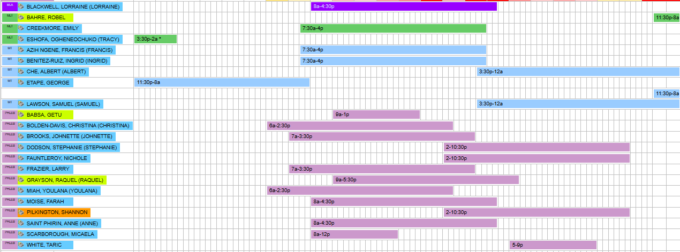
2025-09-29
Phlebotomists
Day & Evening | Role | Shift | 1st 15 Break | Lunch Break | 2nd 15 Break
Youlana Miah | Opener/ Patient Draw | 6a - 2:30pm | 8:00a - 8:15a | 10a - 1030a | 12p - 1215p
Christina B Davis | Opener/ Patient Draw | 6a - 2:30pm | 8:15a- 8:30a | 1030a-11a | 1215p - 1230p
Anne Saint Phirin | Processor/Patient Draw | 8a - 430p | 10a - 1015a | 12p - 1230p | 2p - 215p
Larry Frazier | Patient Draw | 7am - 330p | 915a - 930a | 1130a - 12p | 115p - 130p
Getu Babsa | Patient Draw | 9a - 1p | 11a - 1115a | NA | NA
Micaela Scarborough | Patient Draw | 8a - 12p | 1030a - 1045a | NA | NA
Johnette Brooks | Patient Draw | 7am - 330p | 9a - 915a | 11a - 1130am | 1p - 115p
Raquel Grayson | Patient Draw | 9a - 530p | 1115A- 1130A | 130p - 2p | 315p - 330p
Farah Moise | Patient Draw | 8a - 430p | 1015a - 1030a | 1230p - 1p | 2p - 215p
Nichole Fauntleroy | Processing/Closing | 2p - 1030p | 4p - 415p | 6p - 630p | 8p - 815p
Shannon Pilkington | Patient Draw | 2p - 1030p | 415p - 430p | 6p - 630p | 815p - 830p
Stephanie Dodson | Patient Draw | 2p - 1030p | 430p - 445p | 630p - 7p | 8p - 815p
Taric White | Patient Draw | 5p - 9p | 7p - 715p | NA | NA
Note: AM Processor should support patient draw until 9am before starting processing, except if a stat
sample requires to be send out.

MLA/MLTs/Techs Break Time
Morning Shift
Lorraine Blackwell | MOB | 8a - 430p | 10a - 1015a | 12p - 1230p | 2p - 215p
Ingrid Benitez Ruia | MOB | 730a - 4p | 1015a - 1030a | 1230p - 1p | 230p - 245p
Emily Creekmore | AUC | 730a - 4p | 930a - 945a | 1130a - 12p | 130p - 145p
Francis A Ngene | AUC | 730a - 4p | 945a - 10:0a | 1230p - 1p | 215p - 230p

Second Shift
Samuel Lawson | AUC | 3:30p - 12a | 5:30p - 5:45pm | 7:30p - 8:00p | 9:30p - 9:45p
Albert Che | AUC | 3:30p - 12a | 545p - 6p | 8p - 830p | 945p - 10p

Third Shift
George Etape | AUC | 1130p - 8a | 130a - 145a | 330a - 4a | 530a - 545a
Robel Bahre | AUC | 1130p - 8a | 145a - 2a | 4a- 430a | 545a - 6a
Note: MLA/MLTs/MTs are to ensure required maintenances, calibrations, QCs are performed and documented.

Weekends

2025-09-28
Phlebotomists
Day & Evening | Role | Shift | 1st 15 Break | Lunch Break | 2nd 15 Break
Youlana Miah | Opener/ Patient Draw | 6a - 2:30pm | 8:00a - 8:15a | 10a - 1030a | 12p - 1215p
Farah Moise | Opener/ Patient Draw | 6a - 2:30pm | 815a - 830a | 1030a - 11a | 1215p - 1230p
Farah Moise | Processor/Patient Draw | Processing is Farah
Tamika Nettles | Patient Draw | 9a - 530p | 11a - 1115a | 1p - 130p | 3p - 315p
Emmanuella Theodore | Patient Draw | 7a- 330p | 9a - 915a | 11a - 1130p | 1p -115p
Marilyn Ortiz | Patient Draw | 8a - 430p | 10a - 1015a | 12p - 1230p | 2p - 215p
Danalisa Hayes | Processing/Closing | 2p - 1030p | 4p - 415p | 6p - 630p | 8p - 815p
Shannon Pilkington | Patient Draw | 2p - 1030p | 4p - 415p | 6p - 630p | 8p - 815p
Stephanie Dodson | Patient Draw | 2p - 1030p | 415p - 430p | 630p - 7p | 815p - 830p
Note: AM Processor should support patient draw until 9am before starting processing, except if a stat sample
requires to be send out.

MLA/MLTs/Techs Break Time
Morning Shift
Maxwell Booker | AUC | 730a - 4p | 930a - 945a | 1130a-12:0p | 1:30p - 145p
Francis A Ngene | AUC | 8a - 4:30p | 10a - 1015a | 1230p - 1p | 145p - 2p

Second Shift
Samuel Lawson | AUC | 3:30p - 12a | 5:30p - 5:45pm | 7:30p - 8:00p | 9:30p - 9:45p
Ogenechuko Eshofa | AUC | 3:30p - 12a | 545p - 6p | 8p - 830p | 945p -10p
Steeven Brussot | AUC | 3:30p - 1130p | 6p -15p | 830p -9p | 10p -1015p

Third Shift
George Etape | AUC | 11:30p - 8a | 130a - 145a | 330a - 4:0a | 530a - 545a
Ogenechuko Eshofa | AUC | 12a -2a | Na | Na | Na
Note: MLA/MLTs/MTs are to ensure required maintenances, calibrations, QCs are performed and documented.

